Qn. 4 Regression
Original Alien Beam Data |  |  | Log-transformed Data |  |  |  |  |  | Computing Predicted values
Age, x (years) | Strength, y (MPa) |  | ln(Age), x' | ln(Strength), y' | x'-x* | (x'-x*)^2 | y'-y* | (x'-x*) . (y'-y*) | ln(Strength), y^ | Residuals (y' - y^) | RSS (y' - y^)^2 | (y'-y*)^2
5 | 48 |  | 1.6094 | 3.8712 | -1.0965 | 1.20240 | 0.3776 | -0.41410 | 3.96938 | -0.09818 | 0.00964 | 0.14261
10 | 42 |  | 2.3026 | 3.7377 | -0.4034 | 0.16273 | 0.2441 | -0.09847 | 3.66860 | 0.06907 | 0.00477 | 0.05959
15 | 37 |  | 2.7081 | 3.6109 | 0.0021 | 0.00000 | 0.1174 | 0.00024 | 3.49266 | 0.11826 | 0.01399 | 0.01377
20 | 30 |  | 2.9957 | 3.4012 | 0.2898 | 0.08396 | -0.0924 | -0.02676 | 3.36783 | 0.03337 | 0.00111 | 0.00853
25 | 27 |  | 3.2189 | 3.2958 | 0.5129 | 0.26306 | -0.1977 | -0.10141 | 3.27100 | 0.02484 | 0.00062 | 0.03909
30 | 21 |  | 3.4012 | 3.0445 | 0.6952 | 0.48333 | -0.4490 | -0.31218 | 3.19188 | -0.14736 | 0.02172 | 0.20163
 |  | mean (x* & y*) | 2.7060 | 3.4936 |  | 2.19548 |  | -0.95268 |  |  | 0.05184 | 0.46524

Age groups | frequency |  | ln(Age) groups | frequency |  | β0 | 4.66776
5 - 10 | 2 |  | 1.5 - 2.0 | 1 |  | β1 | -0.43393
10 - 15 | 1 |  | 2.0 - 2.5 | 1 |  | R^2 | 0.88857
15 - 20 | 1 |  | 2.5 - 3.0 | 2
20 - 25 | 1 |  | 3.0 - 3.5 | 2
25 - 30 | 1
 |  |  | ln(Strength) groups | frequency
Strength groups | frequency |  | 3.0 - 3.2 | 1
21 - 25 | 1 |  | 3.2 - 3.4 | 1
25 - 30 | 2 |  | 3.4 - 3.6 | 1
30 - 35 | 0 |  | 3.6 - 3.8 | 2
35 - 40 | 1 |  | 3.8 - 4.0 | 1
40 - 45 | 1
Strength Histogram
ln(Age) Histogram
ln(Strength) Histogram
45 - 50 | 1

Age, x Histogram

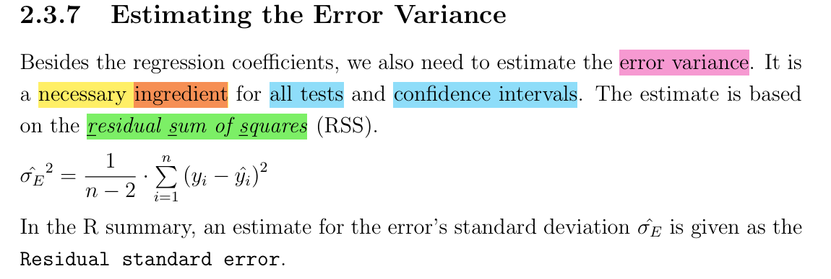

Compute the P-value for β1
n | 6
df | 4
Residual Sum of Squares (RSS) (errors^2) |  | 0.05184
Residual Standard Error (RSE) |  | 0.11384 | (Reported in the R Model Summary

Compute the t-statistic (using the β1 = 0 null hypothesis)
β1 | -0.43393
[(x'-x*)^2]^0.5 | 1.48172 | uses the variance of the independent variable
SE(β1) | 0.07683
t-statistic for β1 | -5.64781
Two-tailed p-value | 0.004841 | p = 2*P(T>∣t∣)

